records
Sample Measurement Record
Mano Engineering LLC |  |  |  |  | Part No. 3222610
No. | A | B | C | D
1 | 2.5985 | 6.524 | 1.957 | 53 - 55
2 | 2.524 | 6.539 | 1.891 | 55 - 58
3 | 2.532 | 6.547 | 1.9295 | 58 - 60
4 | 2.542 | 6.524 | 1.9365 | 60 - 63
5

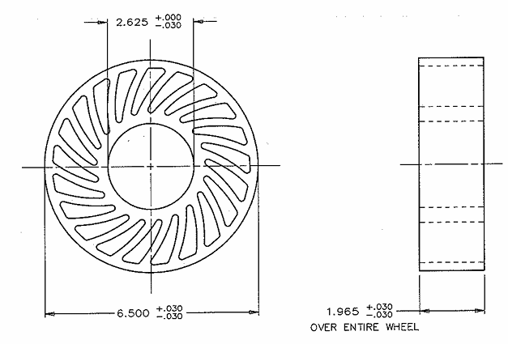
A
Note: No. 1 is customer's sample

C

B
D

tweek format
Sample Measurement Record
Mano Engineering LLC |  | Address: 2512 Northland Drive, Mendota Heights, MN 55120 |  |  | Part No. 3222610
No. | A | B | C | D
Customer's sample | 2.5985 | 6.524 | 1.957 | 53 - 55
Mano Engineering's sample 1 | 2.524 | 6.539 | 1.891 | 55 - 58
Mano Engineeriing's sample 2 | 2.532 | 6.547 | 1.9295 | 58 - 60

Note:
"A" and "B" is measured by VMM
"C" is measured by caliper
A

C

B
D

